ReadMe
THIS DOCUMENT WAS DEVELOPED BY THE STATEWIDE UTILITY CODES AND STANDARDS ENHANCEMENT (CASE) TEAM
Introduction
The information in the tabs of this spreadsheet describes a baseline and proposed design building energy model prototype for Indoor Controlled Environment Horticulture facilities with high lighting intensities, such as indoor cannabis farms.
The prototypes are only intended to represent Indoor CEH Buildings (those with <50% skylight ratio) that have at least one room with lighting power density above 30W per canopy square foot.
The impact of proposed code change measures was evaluated in energy models of these prototype buildings, and statewide impacts of measures are estimated based on the statewide distribution of each building type by climate zone. These prototypes include general building characteristics, such as layouts and zones, and building envelope and space-type specific characteristics, such as HVAC system, ventilation, lighting intensity, lighting schedules, occupancy schedules, plant transpiration schedules, temperature setpoint schedules, and humidity setpoint schedules.
Indoor CEH Building Prototype
The Indoor CEH building prototypes include horticulture-specific space types commonly found in high-lighting intensity indoor farms. These new space types include cloning/vegetative, and flowering rooms for different stages of plant growth, as well as a plant drying room and a processing room for trimming, packaging, and other processing. Aside from the HVAC/D systems in the flower rooms, all other inputs were held constant between baseline and proposed design, as noted in the Flower Rooms tab.
 | The California Statewide Codes and Standards Enhancement (CASE) Program is funded in part by California utility customers under the auspices of the California Public Utilities Commission. Copyright 2025 Pacific Gas and Electric Company, Southern California Edison, San Diego Gas & Electric Company. All rights reserved, except that this document may be used, copied, and distributed without modification. Neither Pacific Gas and Electric Company, Southern California Edison, San Diego Gas & Electric Company, or any of its employees make any warranty, express or implied; or assume any legal liability or responsibility for the accuracy, completeness or usefulness of any data, information, method, product, policy or process disclosed in this document; or represent that its use will not infringe any privately-owned rights including, but not limited to, patents, trademarks or copyrights.

Standalone Dehumidifier Curves
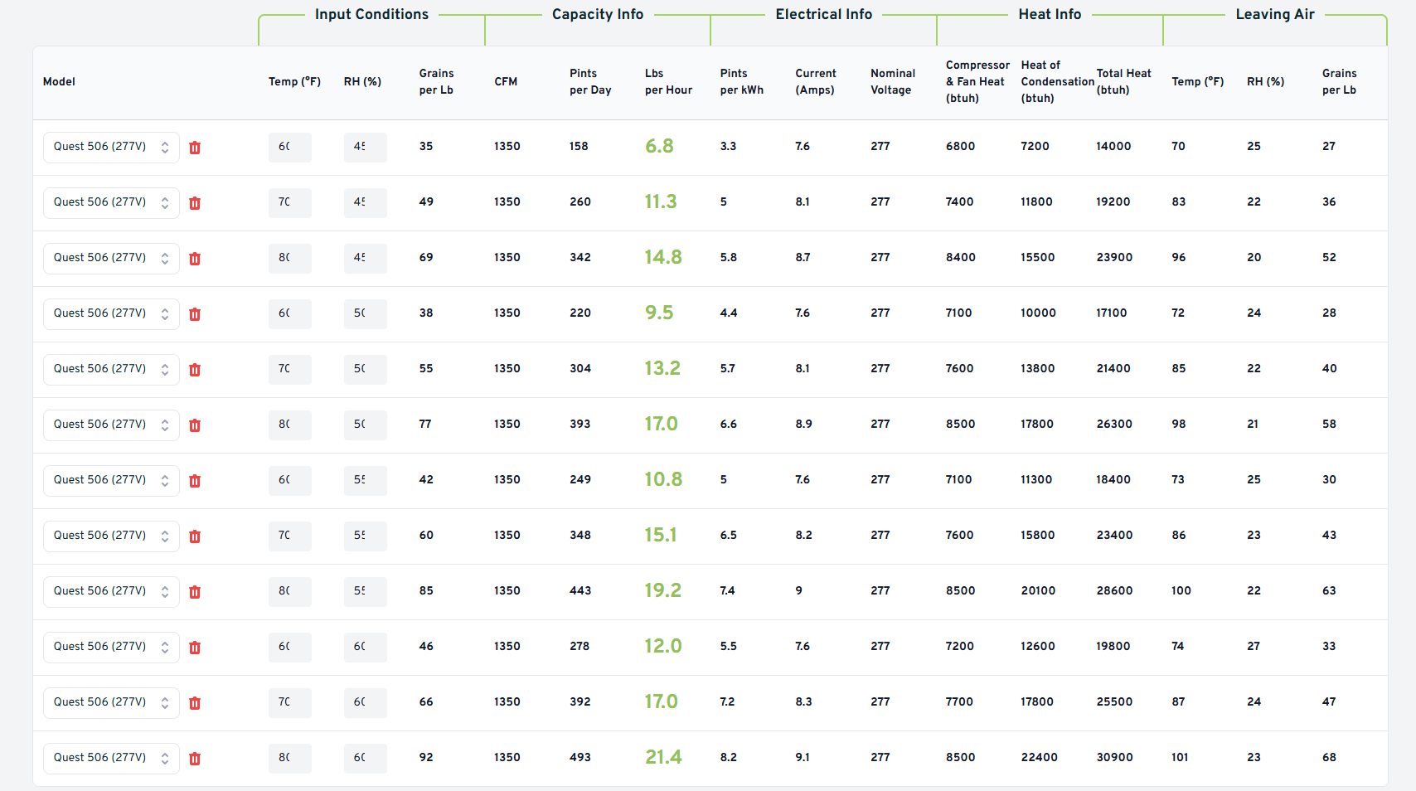
Standalone Dehumidifier Performance Curves
Quest 506 277V manufacturer data generated from https://calculator.questclimate.com/. Curves applied to the standalone dehumidifiers in the decoupled model, adjusted to federal minimum efficiency of 2.41 L/kWh. Biquadratic form: factor = c1 + c2·T + c3·T² + c4·RH + c5·RH² + c6·T·RH, with T = entering dry-bulb (°C) and RH = entering relative humidity (%). Both the water-removal and energy-factor curves are normalized to 1.0 at the rating point: 80°F (26.7°C) and 60% RH. Regression analysis used to develop coefficients for EnergyPlus performance curves.

Quest 506 (277V) performance data
Entering DB (°F) | Entering DB (°C) | Entering RH (%) | Water removal (lb/hr) | Efficiency (pints/kWh) | WR normalized | EF normalized
60 | 15.6 | 40 | 6.8 | 3.3 | 0.31776 | 0.40244
70 | 21.1 | 40 | 11.3 | 5 | 0.52804 | 0.60976
80 | 26.7 | 40 | 14.8 | 5.8 | 0.69159 | 0.70732
60 | 15.6 | 50 | 9.5 | 4.4 | 0.44393 | 0.53659
70 | 21.1 | 50 | 13.2 | 5.7 | 0.61682 | 0.69512
80 | 26.7 | 50 | 17 | 6.6 | 0.79439 | 0.80488
60 | 15.6 | 55 | 10.8 | 5 | 0.50467 | 0.60976
70 | 21.1 | 55 | 15.1 | 6.5 | 0.70561 | 0.79268
80 | 26.7 | 55 | 19.2 | 7.4 | 0.8972 | 0.90244
60 | 15.6 | 60 | 12 | 5.5 | 0.56075 | 0.67073
70 | 21.1 | 60 | 17 | 7.2 | 0.79439 | 0.87805
80 | 26.7 | 60 | 21.4 | 8.2 | 1 | 1

Energy Factor (EF) and Water Removal (WR) curves
Coefficient | EnergyPlus default — Water Removal | EnergyPlus default — Energy Factor | Quest 506 fit — Water Removal | Quest 506 fit — Energy Factor
c1 (constant) | -2.7248786641 | -2.388319069 | -1.3641555024 | -1.8667226951
c2 (T) | 0.10071198359 | 0.093047739452 | 0.028729263981 | 0.074496223544
c3 (T²) | -0.000990538285 | -0.001369700327 | -0.000381863583 | -0.001340228601
c4 (RH) | 0.050053043874 | 0.066533716758 | 0.033719318734 | 0.040558360902
c5 (RH²) | -0.000203629282 | -0.000343198063 | -0.000235239759 | -0.000245689654
c6 (T·RH) | -0.000341750531 | -0.000562490295 | 0.000432593566 | 0.000177334703
Min T (°C) | 10 | 10 | 15.6 | 15.6
Max T (°C) | 32.22 | 32.22 | 26.7 | 26.7
Min RH (%) | 40 | 40 | 45 | 45
Max RH (%) | 80 | 80 | 60 | 60

Part Load Fraction (PLF) curve
EnergyPlus default | Quest 506 Single Stage
Curve:Cubic: PLF = 0.95 + 0.05·PLR | Curve:Cubic: PLF = 0.75 + 0.25·PLR

